tomcat test
Tomcat Test
1) What is Apache Tomcat?
Ans)tomcat is a open source web container, using tomcat to deploy and running the java based web appalications,
and application server contains dynamic contains
2) What is Application Server?
Ans) A Web server is a program that uses HTTP protocol to serves web content to users.
3) Write down at least 6 Application server names?
Ans)
1) Apache Tomcat
2)JBoss/WildFly
3)WebLogic
4)WebSphere Application Server
5)WebSphere Liberty Profile
6)Galssfish
4) What is Webserver?
Ans) A Web server is a program that uses HTTP (Hypertext Transfer Protocol) to serve the files that form Web pages to users
, in response to their requests, which are forwarded by their computers' HTTP clients.
Dedicated computers and appliances may be referred to as Web servers as well

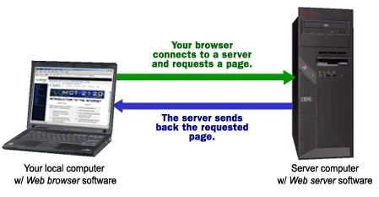
5) Write down at least 2 Webserver names?
1)apache http web server
2)ibm http web server
6) What is web container?
Ans) A web container is responsible for managing the lifecycle of servlets, mapping a URL to a particular servlet
and ensuring that the URL requester has the correct access rights.
7) What is the default port number for Tomcat?
Ans)tomcat default port number is 8080
8) In which file we need to change the port number from default to custom port?
Ans)change the port number from default to custom port open conf files in conf files server.xml files change
9) How to create the users in Tomcat?
Ans) open Conf, tomcat-user
<user username="both" password="<must-be-changed>" roles="tomcat,role1"/>
10) What are the roles for Users in Tomcat?
Ans)1)managar-gui
2)admin-gui
11) How many ways we can deploy the application into Tomcat?
Ans) 2 ways deploy the application
1)statically:
2)dynamically
12) In which folder we will deploy the application in Tomcat server?
Ans)webapp
13)Can we deploy the EAR in tomcat?
Ans)no
14) What are the Connectors Used In Tomcat?
Ans)2 connectors used in tomcat
1)http
2)ajp
15) What are main configuration files in Apache Tomcat?
Ans)1)server.xml
2)tomcat-users.xml
16) What is context path?
Ans)the context path repers to the location relative to server addressit repregents the name of the application
17) Can we give same context path for multiple applications?
Ans)no

Sheet5
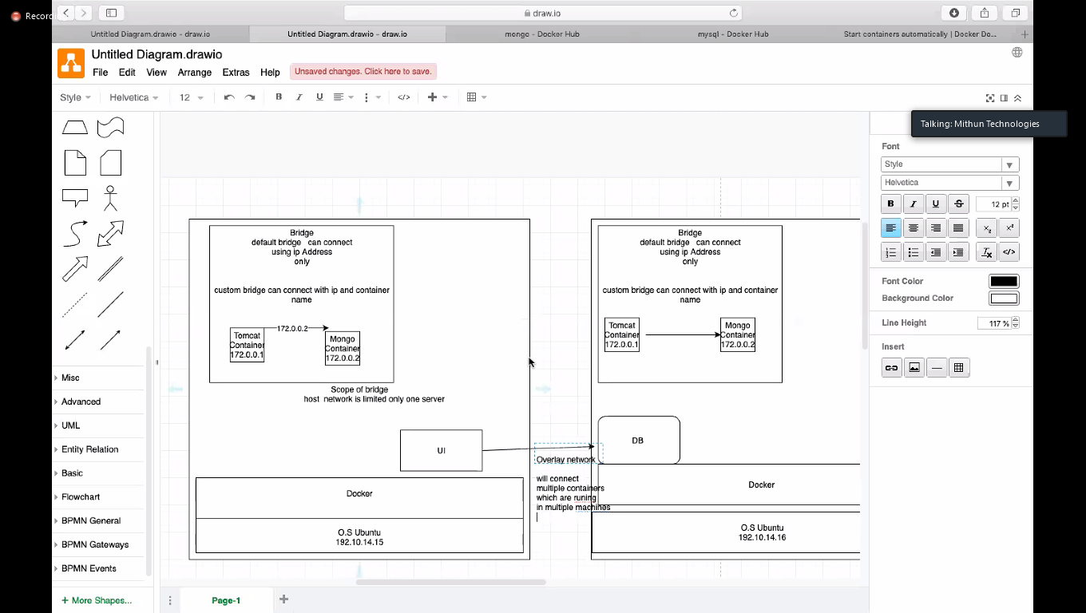

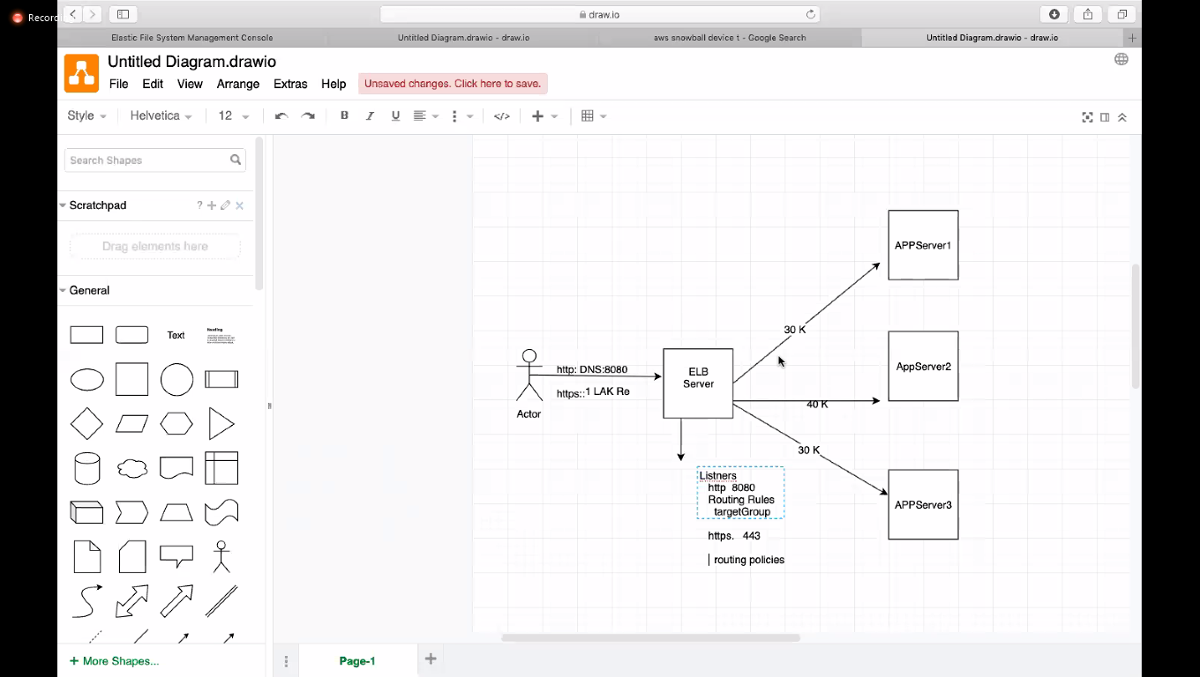
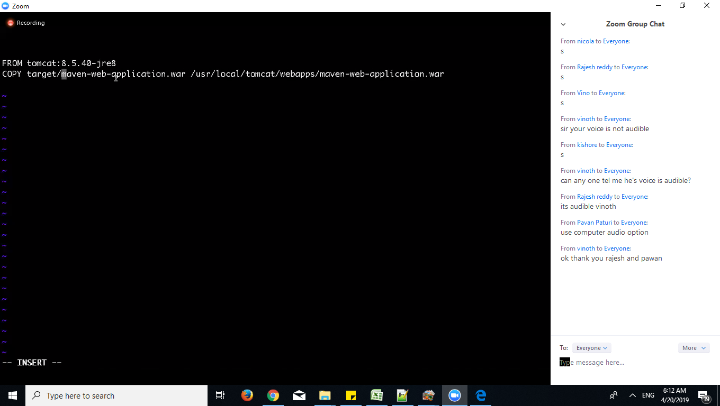

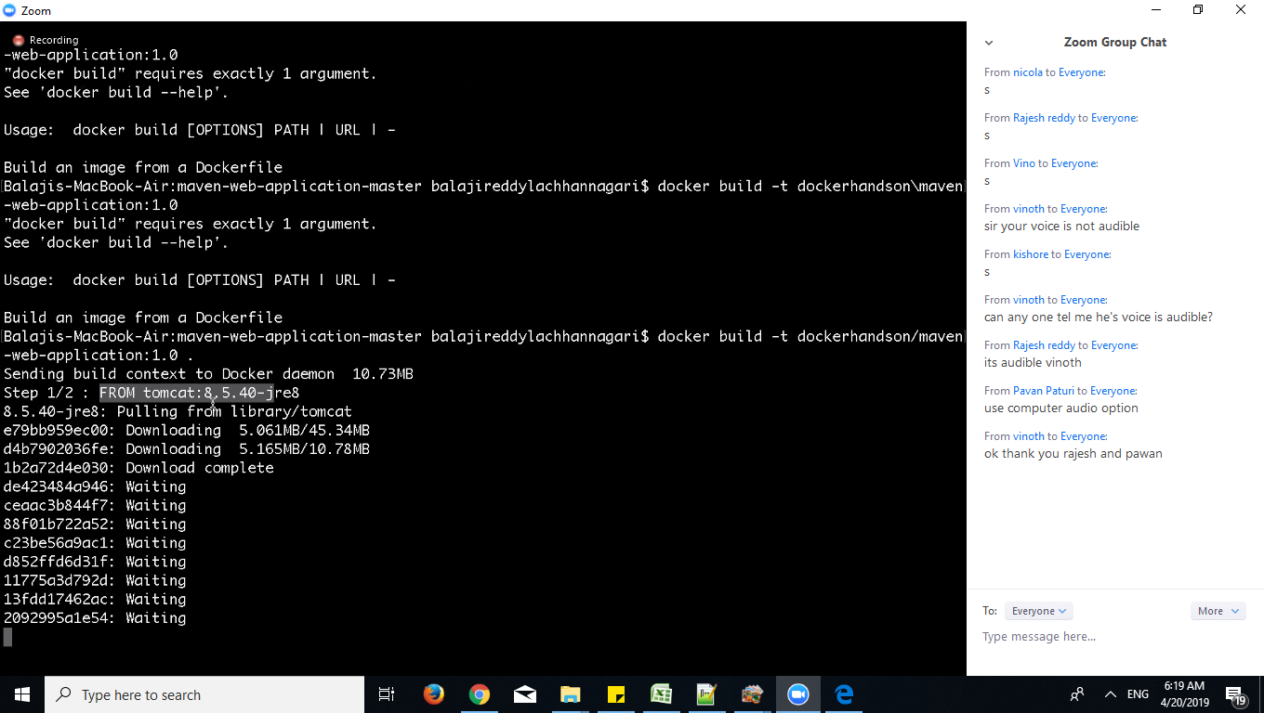

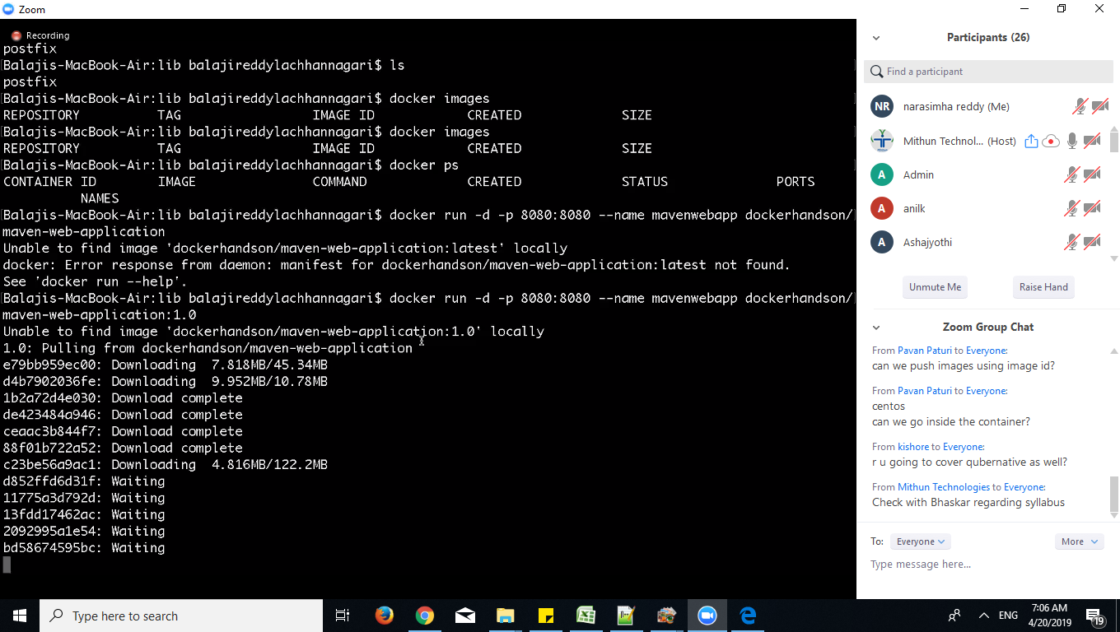

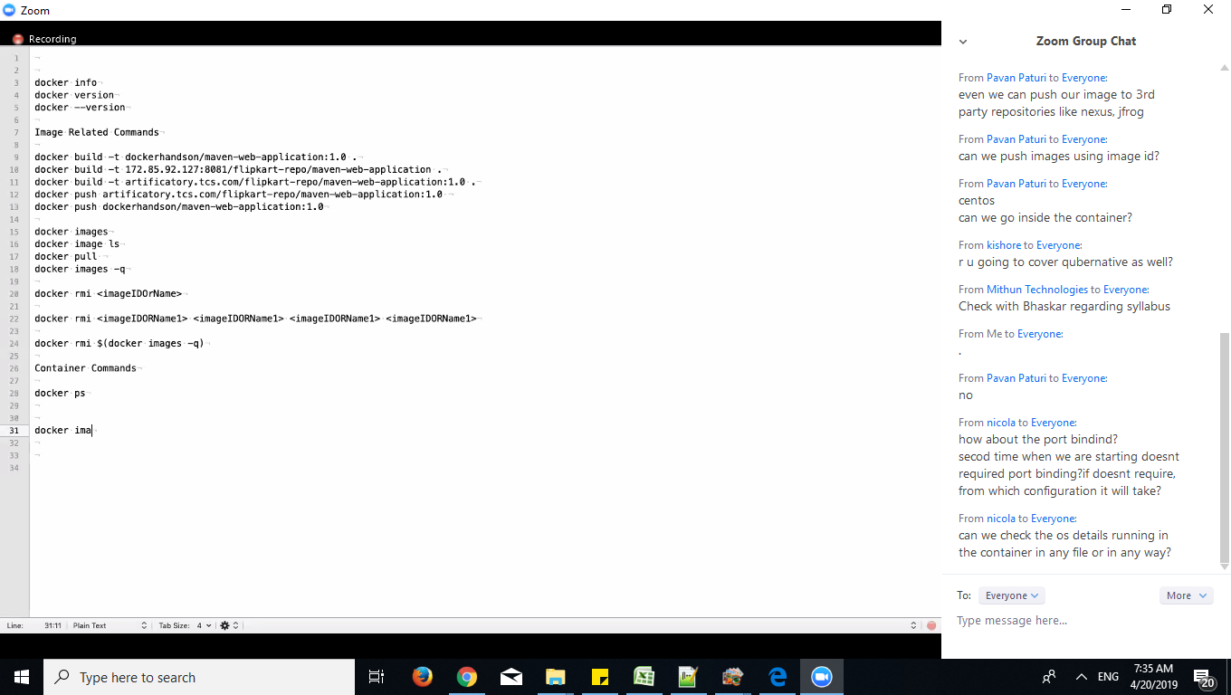

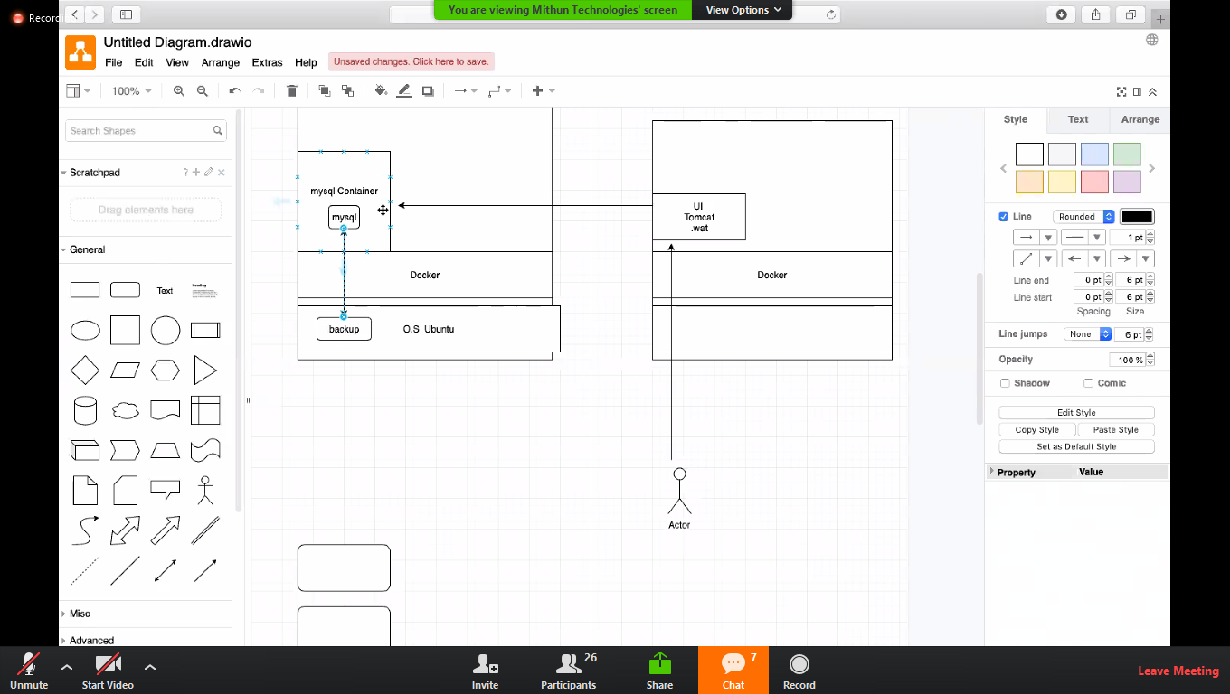

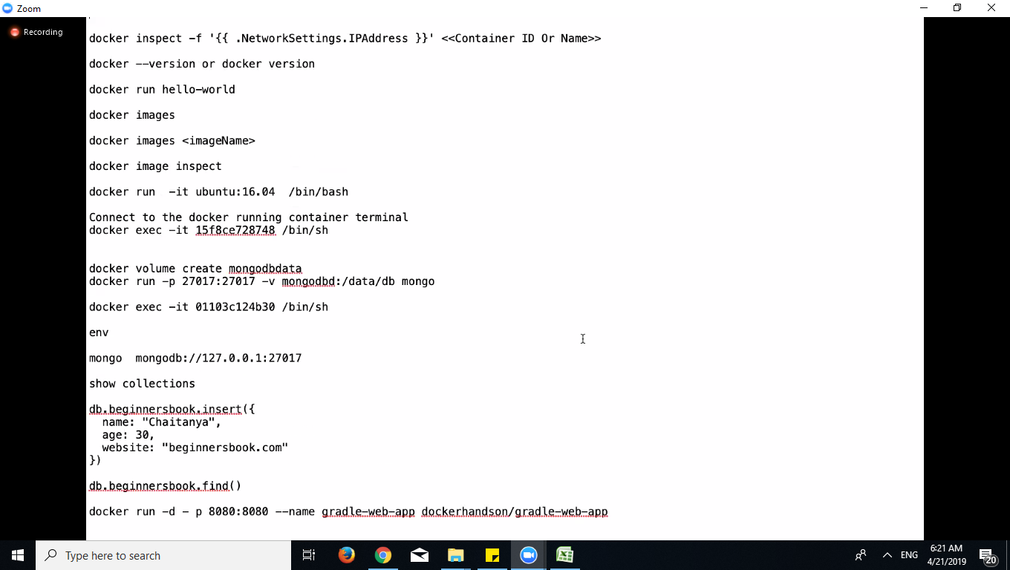

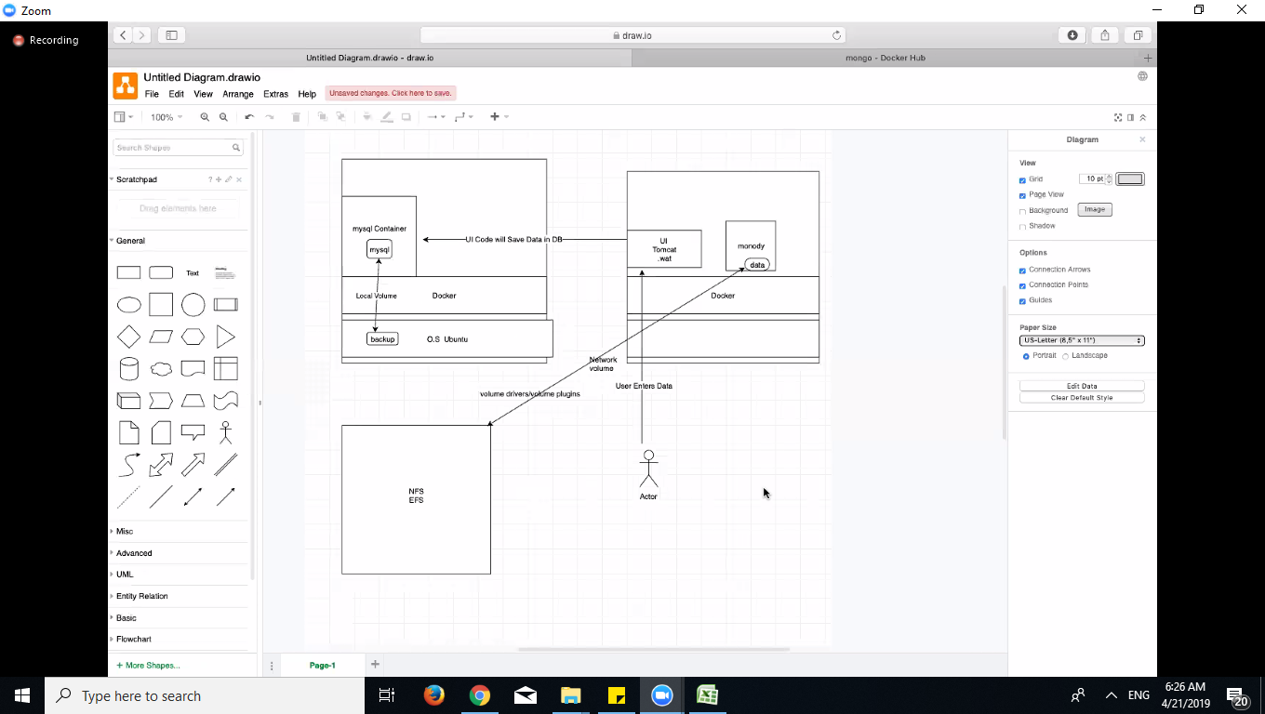

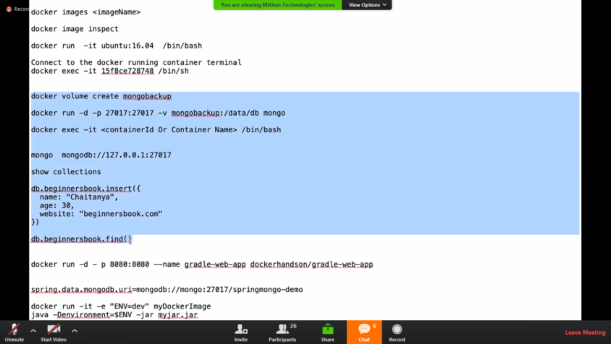

after exit
exit
only yello

